FLow Chart
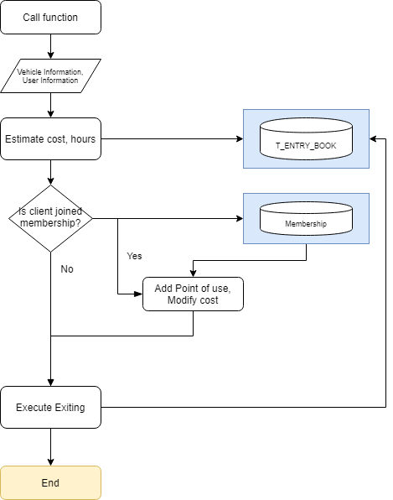
Document_Name | Exit car from parking area | Write Date | 2020-05-05 | Writer | Rick

